HowTo
use case | multiple Source currencies, single trip. Build (same as Source) Target currencies + add new Target currencies.
 | see test/singapore/singapore.json

1 | select XLS & tabs to group
 | XLS: aug.mint.csv.xlsx
 | TAB: singapore.usd

 | XLS: aug.mint.csv.xlsx
 | TAB: singapore.inr

 | XLS: aug.mint.csv.xlsx
 | TAB: singapore.sgd

2 | decide target currencies:
 | usd
 | inr
 | sgd
 | gbp
 | eur

3 | build xrate grid
 | https://www.x-rates.com/historical/?from=SGD&amount=1&date=2018-08-31
 | (the above uses historical dates form 8/31/2018)

 | goal is to build this grid:
 | from v|to > | usd | inr | sgd | gbp | eur
 | usd | 1 | 70.926285 | 1.372176 | 0.771254 | 0.862136
 | inr | 0.014099145 | 1 | 0.019331142 | 0.010874017 | 0.012155379
 | sgd | 0.728769487 | 51.73 | 1 | 0.562066 | 0.628298173

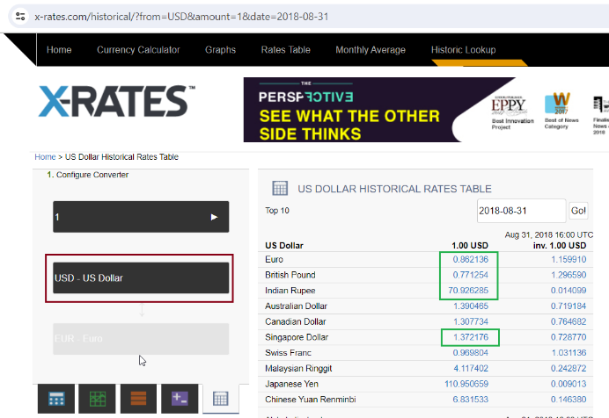
 | a | build the "from: usd"
 |  | in x-rates, use "usd" at bottom left:
 |  | see: red block

 | b | pull xrates for each target currency from Step 2
 |  | usd | 1
 |  | inr | 70.926285
 |  | sgd | 1.372176
 |  | gbp | 0.771254
 |  | eur | 0.862136
 |  | see green block

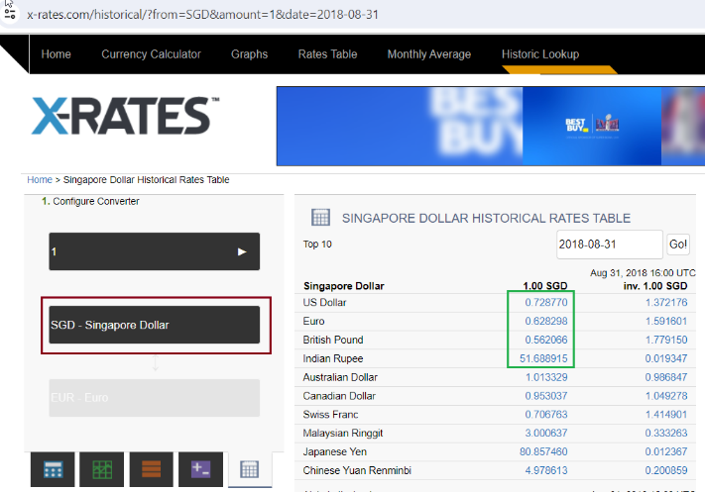
 | c | build the "from: sgd"
 |  | in x-rates, use "sgd" at bottom left:
 |  | usd | 0.728769487
 |  | inr | 51.73
 |  | sgd | 1
 |  | gbp | 0.562066
 |  | eur | 0.628298173

 | 3 | build json
 |  | see usd, sgd, eur examples
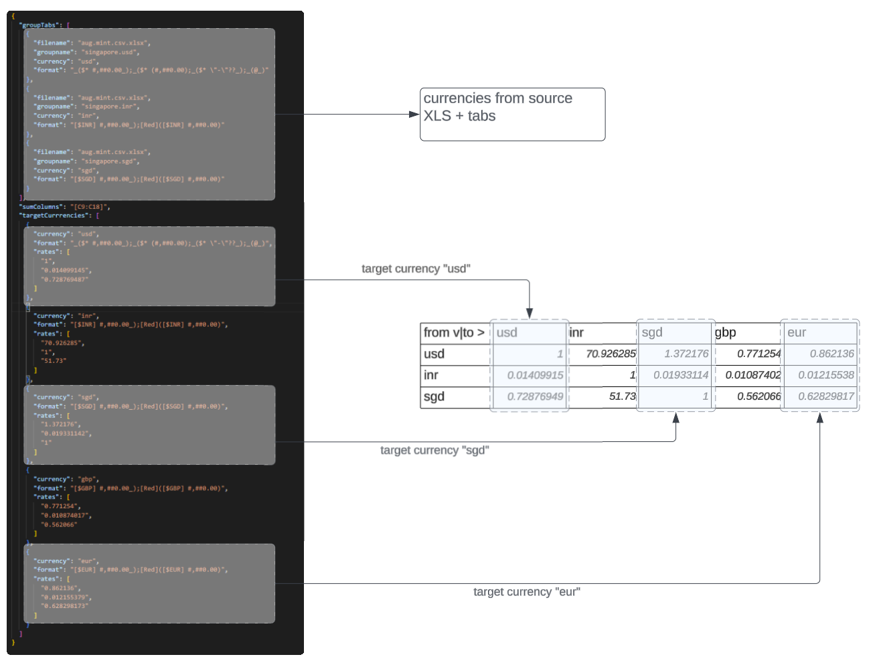

use case | multiple Source currencies, multiple trips. Build (same as Source) Target currencies + add new Target currencies.
 | see test/moira/moira.json

